Sheet1
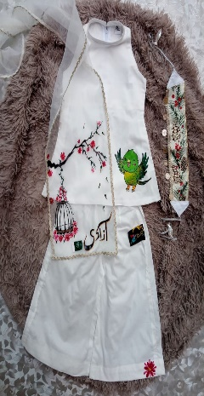
 | RANGISTA SIZE CHART
 | AGE | 0-3 MONTH | 1 YEAR | 2 YEAR | 3 YEAR | 4 YEAR | 5 YEAR | 6 YEAR
 | SHIRT LENGTH | 12 | 14 | 16 | 17 | 20 | 21 | 22
 | CHEST | 10 | 11 | 11.5 | 12 | 13 | 13.5 | 13.5
 | PLAZZO LENGTH | 15 | 16 | 18 | 20 | 23 | 25 | 27
 | WAIST | 6 | 7 | 7.5 | 8 | 9 | 9.5 | 10

 | DUPATTA LENGTH | 36 | 40 | 40 | 44 | 52 | 54 | 56
 | DUPATTA WIDTH | 7 | 8 | 8 | 8 | 10 | 10 | 10
ALL THE MEASUREMENTS ARE IN INCHES

